Pr. 5-2A
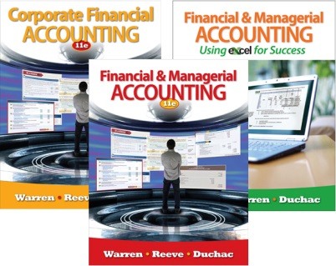
Problem 5-2A
Name:
Section:

Score: |  |  | 0%

Key Code: |  |  | [Key code here]
Instructions
Answers are entered in the cells with gray backgrounds.
Cells with non-gray backgrounds are protected and cannot be edited.
An asterisk (*) will appear to the right of an incorrect entry.

1. | CARPET LAND CO.
 | Income Statement

 |  | Revenues:
 |  | Net sales
 |  | Expenses:

 |  |  | Total expenses
 |  | Net income

2. | CARPET LAND CO.
 | Retained Earnings Statement

 |  | Retained earnings, November 1, 2011

 |  | Retained earnings, October 31, 2012

3. |  |  |  | CARPET LAND CO.
 |  |  |  | Balance Sheet

 |  | Assets |  |  | Liabilities
 |  | Current assets: |  |  | Current liabilities:

 |  |  |  |  | Total current liabilities:
 |  |  |  |  | Long-term liabilities:
 |  | Total current assets:
 |  | Property, plant, and equipment: |  |  | Total liabilities
 |  | Office equipment
 |  |  |  |  | Stockholders' Equity
 |  |  |  |  | Capital stock
 |  | Store equipment |  |  | Retained earnings
 |  |  |  |  | Total stockholders' equity
 |  |  | Total property, plant, and equipment
 |  | Total assets |  |  | Total liabilities and stockholders' equity

 | 2012 |  | Closing Entries
 | Oct. 31

 | 31

 | 31

 | 31

